LDBOND
LIC MF BOND FUND |  |  |  |  |  |  | Index

Monthly Portfolio Statement as on June 30,2022
Name of the Instrument | ISIN | Industry / Rating | Quantity | Market/Fair Value (Rounded, Rs. In Lacs) | Rounded, % to Net Assets | Yield

Debt Instruments
(a)Listed / Awaiting listing on stock Exchanges
6.54% Government of India | IN0020210244 | SOVEREIGN | 5,800,000.000 | 5,619.46 | 55.01% | 7.44%
5.63% Government of India | IN0020210012 | SOVEREIGN | 694,500.000 | 669.35 | 6.55% | 7.11%
5.74% Government of India | IN0020210186 | SOVEREIGN | 600,000.000 | 572.59 | 5.61% | 7.17%
7.98% State Government of Gujarat | IN1520160038 | SOVEREIGN | 53,800.000 | 55.41 | 0.54% | 7.41%
Sub Total |  |  |  | 6,916.81 | 67.71%

(b)Privately Placed/Unlisted
Sub Total |  |  |  | NIL | NIL

(c)Securitised Debt Instruments
Sub Total |  |  |  | NIL | NIL

TOTAL |  |  |  | 6,916.81 | 67.71%

Money Market Instruments

Treasury Bill
91 DAYS TBILL RED 04-08-2022 | IN002022X056 | SOVEREIGN | 2,000,000.000 | 1,991.36 | 19.49% | 4.66%
91 DAYS TBILL RED 11-08-2022 | IN002022X064 | SOVEREIGN | 1,000,000.000 | 994.73 | 9.74% | 4.72%
Sub Total |  |  |  | 2,986.09 | 29.23%

TOTAL |  |  |  | 2,986.09 | 29.23%

Treps / Reverse Repo
Treps |  |  |  | 2,290.72 | 22.42%
Sub Total |  |  |  | 2,290.72 | 22.42%

TOTAL |  |  |  | 2,290.72 | 22.42%
Net Receivables / (Payables) |  |  |  | (1,978.54) | (19.36%)
GRAND TOTAL |  |  |  | 10,215.08 | 100.00%

The product is suitable for investors who are seeking* | Riskometer - Scheme | First Tier Benchmark | Riskometer - First Tier Benchmark
LIC MF Bond Fund | 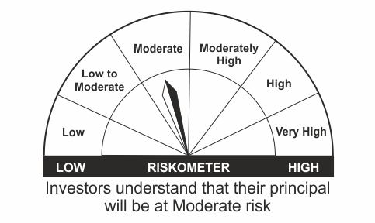 |  | 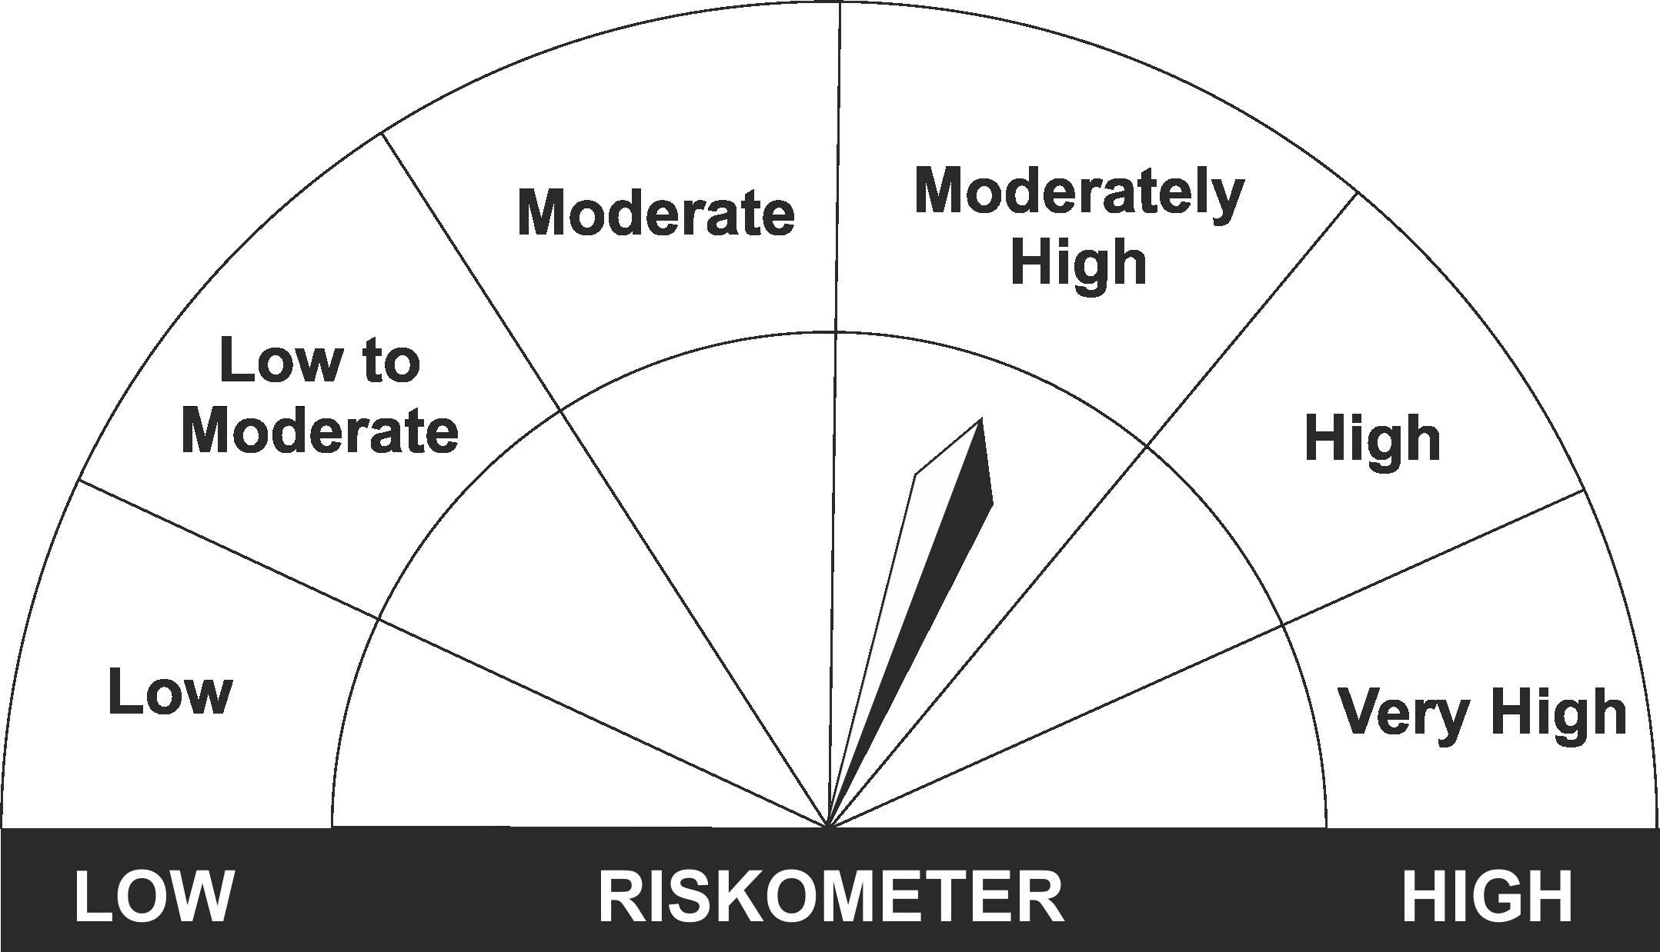
•Income Over Medium to long term |  | CRISIL Medium to Long Duration Fund BIII Index
•To generate income/capital appreciation through investments in Debt / Money Market Instruments
•Risk – Moderate |  | •Risk - Moderately High

*Investors should consult their financial advisers if in doubt about whether the product is suitable for them.
Mutual Fund investments are subject to market risks, read all scheme related documents carefully.

 | Potential Risk Class
LIC MF Bond Fund | Credit Risk | Relatively Low (Class A) | Moderate (Class B) | Relatively High (Class C)
 | Interest Rate Risk
 | Relatively Low (Class I)
 | Moderate (Class II)
 | Relatively High (Class III) |  | B-III

LDGETF
LIC MF G-SEC LONG TERM ETF |  |  |  |  |  |  | Index

Monthly Portfolio Statement as on June 30,2022
Name of the Instrument | ISIN | Industry / Rating | Quantity | Market/Fair Value (Rounded, Rs. In Lacs) | Rounded, % to Net Assets | Yield

Debt Instruments
(a)Listed / Awaiting listing on stock Exchanges
6.54% Government of India | IN0020210244 | SOVEREIGN | 39,424,900.000 | 38,197.69 | 42.33% | 7.44%
6.1% Government of India | IN0020210095 | SOVEREIGN | 19,573,100.000 | 18,440.05 | 20.44% | 7.43%
6.64% Government of India | IN0020210020 | SOVEREIGN | 14,000,000.000 | 12,976.12 | 14.38% | 7.57%
6.68% Government of India | IN0020170042 | SOVEREIGN | 10,500,000.000 | 10,188.15 | 11.29% | 7.42%
7.5% Government of India | IN0020040039 | SOVEREIGN | 9,285,000.000 | 9,516.31 | 10.55% | 7.56%
Sub Total |  |  |  | 89,318.32 | 98.99%

(b)Privately Placed/Unlisted
Sub Total |  |  |  | NIL | NIL

(c)Securitised Debt Instruments
Sub Total |  |  |  | NIL | NIL

TOTAL |  |  |  | 89,318.32 | 98.99%

Treps / Reverse Repo
Treps |  |  |  | 889.01 | 0.99%
Sub Total |  |  |  | 889.01 | 0.99%

TOTAL |  |  |  | 889.01 | 0.99%
Net Receivables / (Payables) |  |  |  | 21.85 | 0.02%
GRAND TOTAL |  |  |  | 90,229.18 | 100.00%

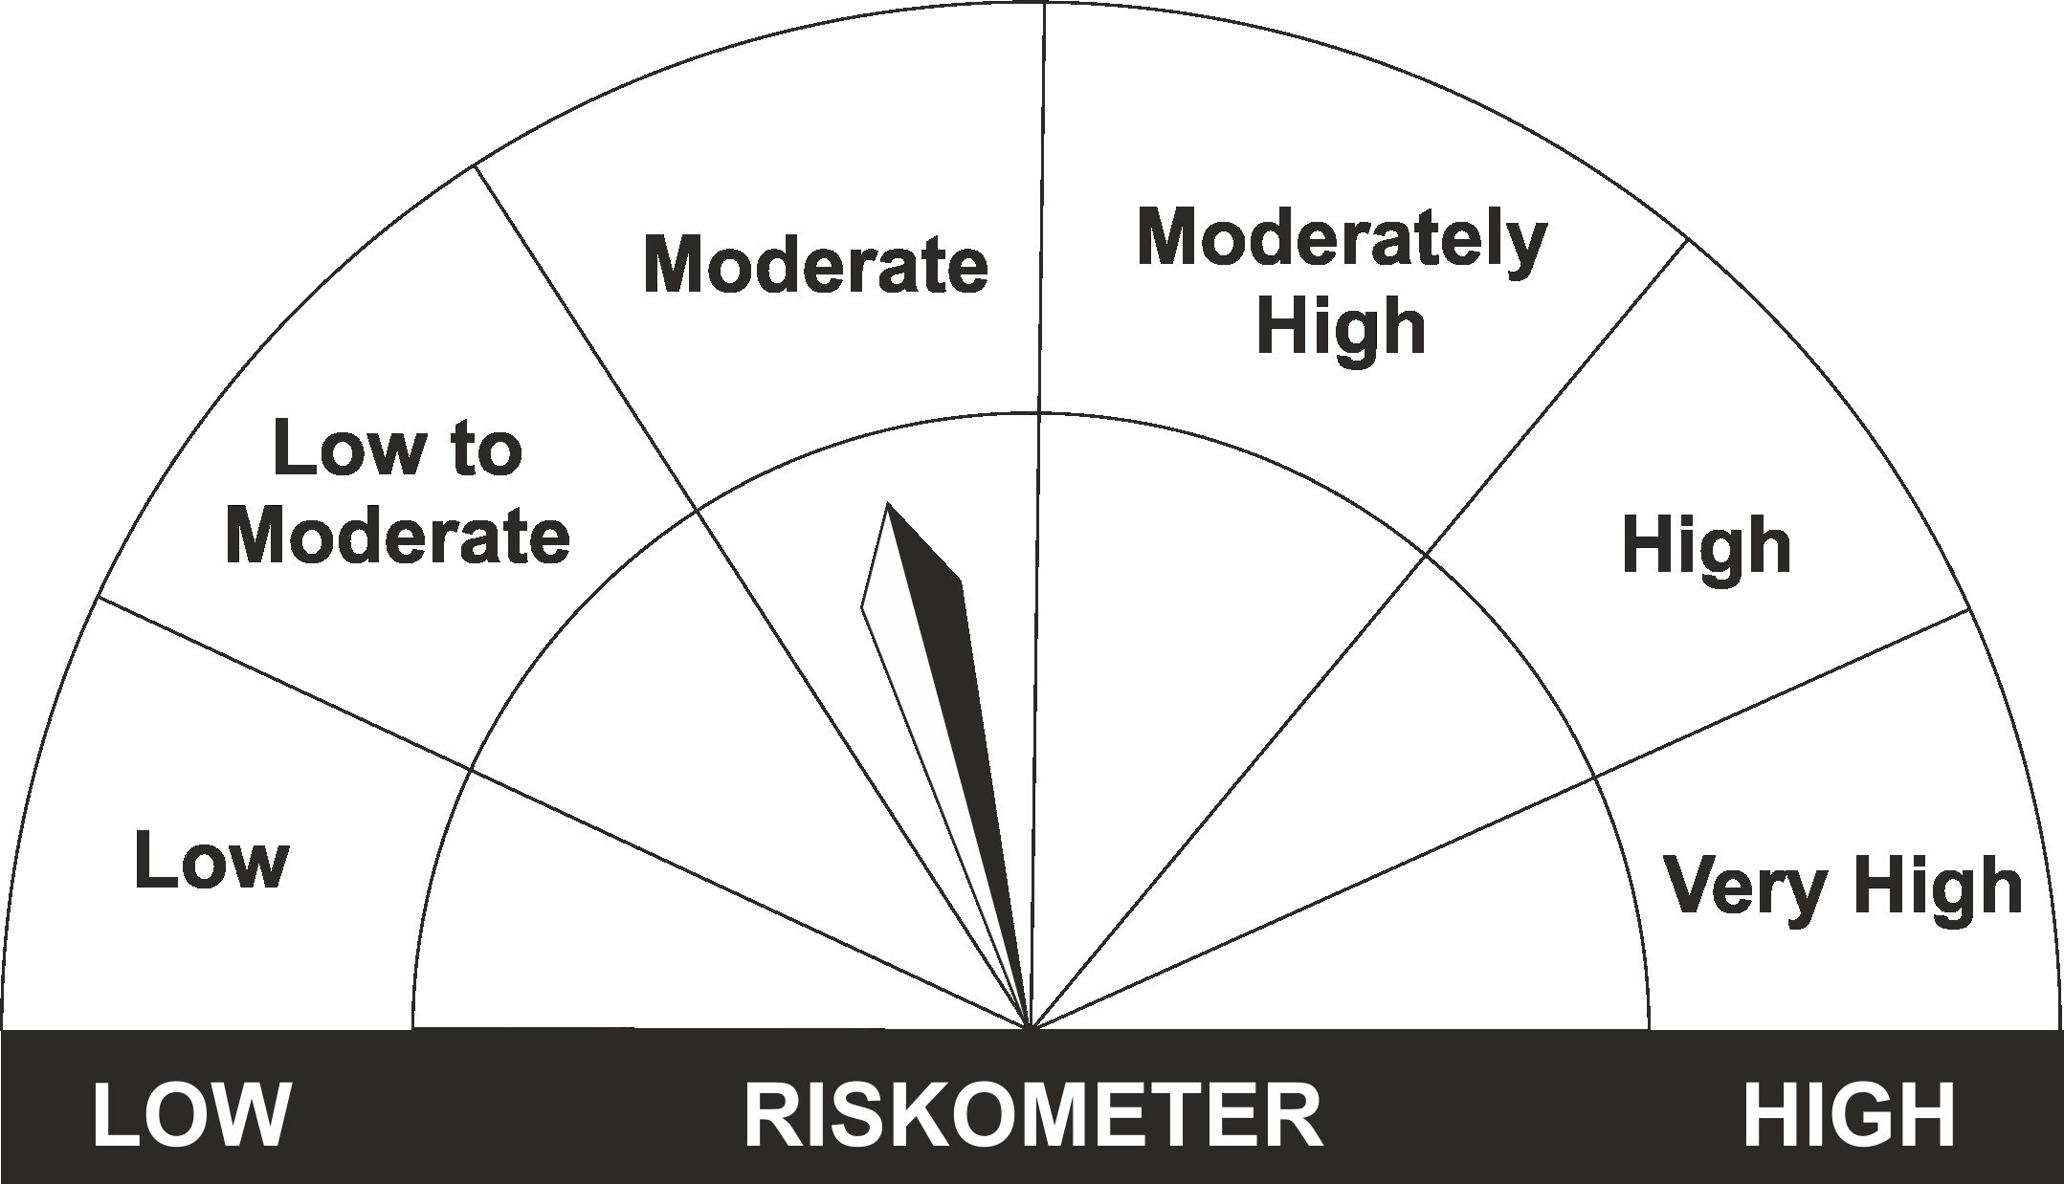
The product is suitable for investors who are seeking* | Riskometer - Scheme | First Tier Benchmark | Riskometer - First Tier Benchmark
LIC MF G-Sec Long Term Exchange Traded Fund
•Medium to long term regular Income. |  | Nifty 8-13 yr G-Sec
•Investment in securities in line with Nifty 8- 13 Yr G-Sec Index to generate comparable returns subject to tracking error.
•Risk - Moderate |  | •Risk - Moderate

*Investors should consult their financial advisers if in doubt about whether the product is suitable for them.
Mutual Fund investments are subject to market risks, read all scheme related documents carefully.

 | Potential Risk Class
LIC MF G-Sec Long Term ETF | Credit Risk | Relatively Low (Class A) | Moderate (Class B) | Relatively High (Class C)
 | Interest Rate Risk
 | Relatively Low (Class I)
 | Moderate (Class II)
 | Relatively High (Class III) | A-III

LDGSEC
LIC MF GOVT. SECURITIES FUND |  |  |  |  |  |  | Index

Monthly Portfolio Statement as on June 30,2022
Name of the Instrument | ISIN | Industry / Rating | Quantity | Market/Fair Value (Rounded, Rs. In Lacs) | Rounded, % to Net Assets | Yield

Debt Instruments
(a)Listed / Awaiting listing on stock Exchanges
5.63% Government of India | IN0020210012 | SOVEREIGN | 500,000.000 | 481.89 | 8.79% | 7.11%
5.74% Government of India | IN0020210186 | SOVEREIGN | 500,000.000 | 477.15 | 8.70% | 7.17%
6.54% Government of India | IN0020210244 | SOVEREIGN | 200,000.000 | 193.77 | 3.53% | 7.44%
Sub Total |  |  |  | 1,152.81 | 21.02%

(b)Privately Placed/Unlisted
Sub Total |  |  |  | NIL | NIL

(c)Securitised Debt Instruments
Sub Total |  |  |  | NIL | NIL

TOTAL |  |  |  | 1,152.81 | 21.02%

Money Market Instruments

Treasury Bill
91 DAYS TBILL RED 08-09-2022 | IN002022X106 | SOVEREIGN | 2,000,000.000 | 1,981.27 | 36.13% | 5.00%
91 DAYS TBILL RED 07-07-2022 | IN002022X015 | SOVEREIGN | 1,200,000.000 | 1,199.12 | 21.87% | 4.46%
91 DAYS TBILL RED 04-08-2022 | IN002022X056 | SOVEREIGN | 500,000.000 | 497.84 | 9.08% | 4.66%
91 DAYS TBILL RED 11-08-2022 | IN002022X064 | SOVEREIGN | 500,000.000 | 497.37 | 9.07% | 4.72%
Sub Total |  |  |  | 4,175.60 | 76.14%

TOTAL |  |  |  | 4,175.60 | 76.14%

Treps / Reverse Repo
Treps |  |  |  | 650.86 | 11.87%
Sub Total |  |  |  | 650.86 | 11.87%

TOTAL |  |  |  | 650.86 | 11.87%
Net Receivables / (Payables) |  |  |  | (495.17) | (9.03%)
GRAND TOTAL |  |  |  | 5,484.10 | 100.00%

The product is suitable for investors who are seeking* | Riskometer - Scheme | First Tier Benchmark | Riskometer - First Tier Benchmark
LIC MF Govt. Securities Fund | 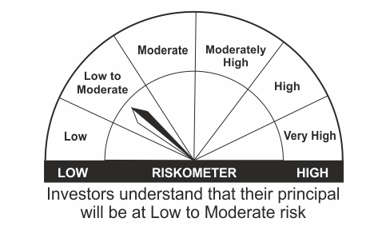
•Long term Capital Appreciation and current income |  | Nifty All Duration G-Sec Index
•Investment in sovereign securities issued by Central/ State Government
•Risk – Low to Moderate |  | •Risk - Moderate

*Investors should consult their financial advisers if in doubt about whether the product is suitable for them.
Mutual Fund investments are subject to market risks, read all scheme related documents carefully.

 | Potential Risk Class
LIC MF Govt. Securities Fund | Credit Risk | Relatively Low (Class A) | Moderate (Class B) | Relatively High (Class C)
 | Interest Rate Risk
 | Relatively Low (Class I)
 | Moderate (Class II)
 | Relatively High (Class III) | A-III

LDONTF
LIC MF OVERNIGHT FUND |  |  |  |  |  |  | Index

Monthly Portfolio Statement as on June 30,2022
Name of the Instrument | ISIN | Industry / Rating | Quantity | Market/Fair Value (Rounded, Rs. In Lacs) | Rounded, % to Net Assets | Yield

Money Market Instruments

Treasury Bill
182 DAYS TBILL RED 14-07-2022 | IN002021Y445 | SOVEREIGN | 500,000.000 | 499.19 | 0.85% | 4.55%
Sub Total |  |  |  | 499.19 | 0.85%

TOTAL |  |  |  | 499.19 | 0.85%

Treps / Reverse Repo
Treps |  |  |  | 58,257.39 | 98.98%
Sub Total |  |  |  | 58,257.39 | 98.98%

TOTAL |  |  |  | 58,257.39 | 98.98%
Net Receivables / (Payables) |  |  |  | 101.51 | 0.17%
GRAND TOTAL |  |  |  | 58,858.09 | 100.00%

The product is suitable for investors who are seeking* | Riskometer - Scheme | First Tier Benchmark | Riskometer - First Tier Benchmark
LIC MF Overnight Fund |  |  | 
•Income with high levels of safety and liquidity over short term. |  | NIFTY 1D Rate Index
•Investment in debt and money market instruments with overnight maturity.
•Risk – Low |  | •Risk – Low

*Investors should consult their financial advisers if in doubt about whether the product is suitable for them.
Mutual Fund investments are subject to market risks, read all scheme related documents carefully.

 | Potential Risk Class
LIC MF Overnight Fund | Credit Risk | Relatively Low (Class A) | Moderate (Class B) | Relatively High (Class C)
 | Interest Rate Risk
 | Relatively Low (Class I) | A-I
 | Moderate (Class II)
 | Relatively High (Class III)

LLIQDF
LIC MF LIQUID FUND |  |  |  |  |  |  | Index

Monthly Portfolio Statement as on June 30,2022
Name of the Instrument | ISIN | Industry / Rating | Quantity | Market/Fair Value (Rounded, Rs. In Lacs) | Rounded, % to Net Assets | Yield

Money Market Instruments

Certificate of Deposit
Indian Bank ** # | INE562A16KI1 | FITCH A1+ | 10,000.000 | 49,773.20 | 9.24% | 5.04%
HDFC Bank Ltd. ** # | INE040A16CY2 | CARE A1+ | 7,000.000 | 34,687.77 | 6.44% | 5.22%
Canara Bank # | INE476A16SQ0 | CRISIL A1+ | 4,500.000 | 22,479.30 | 4.17% | 4.80%
Axis Bank Ltd. ** # | INE238A164Z7 | CRISIL A1+ | 4,000.000 | 19,887.96 | 3.69% | 5.02%
Canara Bank ** # | INE476A16TB0 | CRISIL A1+ | 4,000.000 | 19,789.58 | 3.68% | 5.17%
IDFC First Bank Ltd. ** # | INE092T16SA9 | ICRA A1+ | 2,000.000 | 9,950.81 | 1.85% | 5.16%
Canara Bank # | INE476A16SS6 | CRISIL A1+ | 2,000.000 | 9,935.40 | 1.85% | 5.05%
Axis Bank Ltd. ** # | INE238A168Y1 | CRISIL A1+ | 2,000.000 | 9,924.26 | 1.84% | 5.07%
Export Import Bank of India ** # | INE514E16BX2 | CARE A1+ | 2,000.000 | 9,894.79 | 1.84% | 5.17%
Indian Bank ** # | INE562A16KP6 | FITCH A1+ | 500.000 | 2,489.35 | 0.46% | 5.04%
Sub Total |  |  |  | 188,812.42 | 35.07%

Commercial Paper
Housing Development Finance Corp Ltd. ** | INE001A14YN6 | CARE A1+ | 10,000.000 | 49,924.75 | 9.27% | 5.00%
National Bk for Agriculture & Rural Dev. ** | INE261F14IX7 | CRISIL A1+ | 6,000.000 | 29,702.10 | 5.52% | 5.23%
Cholamandalam Investment & Fin Co Ltd. | INE121A14TU7 | CRISIL A1+ | 4,500.000 | 22,500.00 | 4.18% | 5.26%
Birla Group Holdings Pvt Ltd. ** | INE09OL14AL8 | CRISIL A1+ | 4,500.000 | 22,401.18 | 4.16% | 5.75%
L & T Finance Ltd. ** | INE027E14LN0 | CRISIL A1+ | 4,500.000 | 22,275.65 | 4.14% | 5.57%
HDFC Securities Ltd. ** | INE700G14BP3 | CRISIL A1+ | 2,000.000 | 9,969.32 | 1.85% | 5.35%
Can Fin Homes Ltd. ** | INE477A14BR7 | CRISIL A1+ | 2,000.000 | 9,965.77 | 1.85% | 5.22%
TVS Credit Services Ltd. ** | INE729N14GM4 | CRISIL A1+ | 2,000.000 | 9,958.78 | 1.85% | 5.81%
Birla Group Holdings Pvt Ltd. ** | INE09OL14AM6 | CRISIL A1+ | 2,000.000 | 9,957.65 | 1.85% | 5.75%
NTPC Ltd. ** | INE733E14BB9 | FITCH A1+ | 2,000.000 | 9,895.58 | 1.84% | 5.20%
Reliance Retail Ventures Ltd. ** | INE929O14636 | CRISIL A1+ | 2,000.000 | 9,893.16 | 1.84% | 5.40%
HDFC Securities Ltd. ** | INE700G14CI6 | CRISIL A1+ | 2,000.000 | 9,878.64 | 1.83% | 5.61%
Godrej Industries Ltd. ** | INE233A14UV6 | ICRA A1+ | 1,500.000 | 7,456.90 | 1.38% | 5.27%
Sub Total |  |  |  | 223,779.48 | 41.56%

Treasury Bill
91 DAYS TBILL RED 07-07-2022 | IN002022X015 | SOVEREIGN | 30,000,000.000 | 29,978.01 | 5.57% | 4.46%
91 DAYS TBILL RED 04-08-2022 | IN002022X056 | SOVEREIGN | 20,000,000.000 | 19,913.56 | 3.70% | 4.66%
91 DAYS TBILL RED 29-09-2022 | IN002022X130 | SOVEREIGN | 20,000,000.000 | 19,750.82 | 3.67% | 5.12%
91 DAYS TBILL RED 22-09-2022 | IN002022X122 | SOVEREIGN | 18,500,000.000 | 18,287.92 | 3.40% | 5.10%
91 DAYS TBILL RED 18-08-2022 | IN002022X072 | SOVEREIGN | 5,000,000.000 | 4,968.31 | 0.92% | 4.85%
Sub Total |  |  |  | 92,898.62 | 17.25%

TOTAL |  |  |  | 505,490.52 | 93.88%

Treps / Reverse Repo
Treps |  |  |  | 32,505.62 | 6.04%
Sub Total |  |  |  | 32,505.62 | 6.04%

TOTAL |  |  |  | 32,505.62 | 6.04%
Net Receivables / (Payables) |  |  |  | 431.55 | 0.08%
GRAND TOTAL |  |  |  | 538,427.69 | 100.00%

# Unlisted Security
** Non Traded Security

LIC MF Arbitrage Fund has invested (inter scheme investments) in LIC MF Liquid Fund. Market value of such investments as on 30th June 2022 is 782.23 lacs.

The product is suitable for investors who are seeking* | Riskometer - Scheme | First Tier Benchmark | Riskometer - First Tier Benchmark
LIC MF Liquid Fund |  |  | 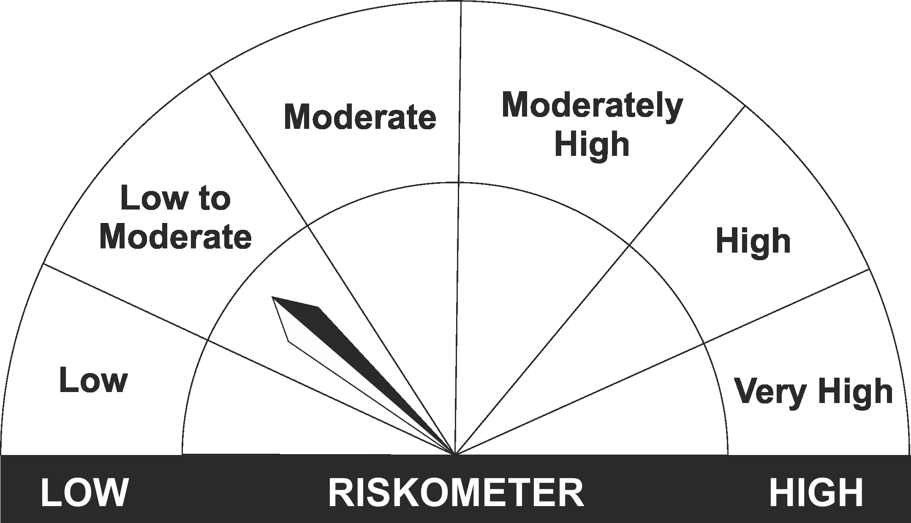
•Income for short term |  | CRISIL Liquid Fund BI Index
•Investment in Debt/Money Market Instruments with maturity of upto 91 days.
•Risk – Low to Moderate |  | •Risk – Low to Moderate

*Investors should consult their financial advisers if in doubt about whether the product is suitable for them.
Mutual Fund investments are subject to market risks, read all scheme related documents carefully.

 | Potential Risk Class
LIC MF Liquid Fund | Credit Risk | Relatively Low (Class A) | Moderate (Class B) | Relatively High (Class C)
 | Interest Rate Risk
 | Relatively Low (Class I) |  | B-I
 | Moderate (Class II)
 | Relatively High (Class III)

